Cover
Landscaping and Biodiversity Cost Model

Cell Input Key
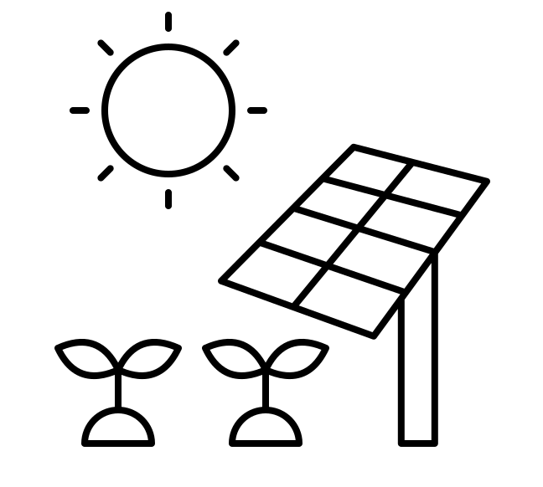
 | Keep blank |  | Contains a formula (Do NOT Edit) - applies only to numeric cells in the detailed view

 | Input unit/cost here |  | Cell D1 - Reconciliation Checker (for Summary and Detailed Table)

 | Ballpark estimates - can be edited | *Summary sheet fills up automatically. Do not make edits here

Disclaimer

This model is for illustrative purposes only. Users must not place any reliance on its contents. Neither Eden Renewables nor Wychwood Biodiversity take any responsiblity for its contents or workings. Users must insert their own pricing obtained from suppliers and make their own calculations. Any corrections or suggestions for improvements please email info@edenrenewables.com.

